Kisite
NOTES from MS |  |  |  |  |  |  | Questions from MS to KO in red
removing anomaly/smoothing function - there are some extraordinarily high values here which are somewhat suspect - eg chaetedons
data needs:
Biomass for Serranidae and Lutjanidae - if not available for most ecoregions then use density
Density for Scaridae, Chaetodontidae and Acanthuridae

 | Biomass data sources -Kisite
 |  |  |  |  |  |  |  | Density data sources -Kisite
 | Year | A_Rocha_Kenya | CORDIO/CORDIO_IUCN | KMFRI | KWS | Samoilys 1987 |  |  |  |  |  |  |  | CORDIO 2016 data |  |  |  |  |  | Density ind/ha
 | 1987 |  |  |  |  |  |  | Year | A_Rocha_Kenya | CORDIO/CORDIO_IUCN | KMFRI | KWS | Samoilys 1987 |  | 1 | 2 | 3 | 4 | 5 | mean | stdev
 | 2006 |  |  |  |  |  |  | 1987 |  |  |  |  |  | Acanthuridae | 50 | 35 | 33 | 35 | 43 | 1568.0 | 286.2
 | 2008 |  |  |  |  |  |  | 2004 |  |  |  |  |  | Chaetodontidae | 11 | 10 | 6 | 12 | 2 | 328.0 | 165.9
 | 2009 |  |  |  |  |  |  | 2005 |  |  |  |  |  | Lutjanidae | 0 | 0 | 0 | 156 | 175 | 2648.0 | 3635.9
 | 2010 |  |  |  |  |  |  | 2006 |  |  |  |  |  | Scaridae | 2 | 32 | 13 | 4 | 6 | 456.0 | 489.6
 | 2012 |  |  |  |  |  |  | 2007 |  |  |  |  |  | Serranidae | 4 | 9 | 10 | 4 | 3 | 240.0 | 129.6
 | 2014 |  |  |  |  |  |  | 2008
 | 2016 |  |  |  |  |  |  | 2009 |  |  |  |  |  |  |  |  |  |  |  | Biomass (kg/ha)
 |  |  |  |  |  |  |  | 2010 |  |  |  |  |  |  | 1 | 2 | 3 | 4 | 5 | mean | stdev
 |  |  |  |  |  |  |  | 2012 |  |  |  |  |  | Acanthuridae | 13330.28155 | 12028.502917 | 11328.158023 | 16782.343588 | 20479.810228 | 591.6 | 152.4
 |  |  |  |  |  |  |  | 2013 |  |  |  |  |  | Chaetodontidae | 154.27022749 | 153.46467225 | 91.880367305 | 181.00937839 | 27.532970333 | 4.9 | 2.5
 |  |  |  |  |  |  |  | 2014 |  |  |  |  |  | Lutjanidae | 0 | 0 | 0 | 29526.780825 | 15364.261437 | 359.1 | 531.0
 |  |  |  |  |  |  |  | 2015 |  |  |  |  |  | Scaridae | 523.55758794 | 8104.5987882 | 6048.4214793 | 2371.9588788 | 5161.853475 | 177.7 | 120.3
 |  |  |  |  |  |  |  | 2016 |  |  |  |  |  | Serranidae | 2408.9425077 | 4028.1594521 | 1239.3940177 | 902.36124179 | 484.19056936 | 72.5 | 57.2

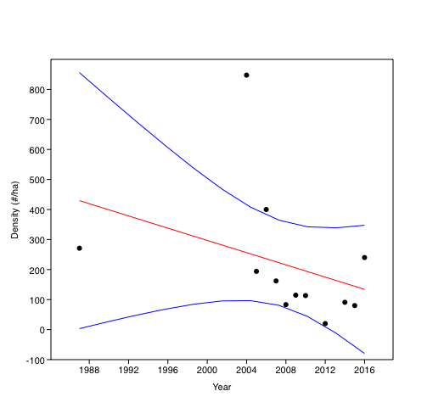
Serranidae - Density
1987 | 271
2004
2005 | 194
2006
2007 | 162
2008 | 83.166666667
2009 | 114.75
2010 | 113.33333333
2012 | 20
2014 | 91
2015 | 80
2016 | 129.61481397
 |  |  | Serranidae | Biomass (kg/ha)
 |  |  | Year | Biomass | Removing points outside CI |  |  | Year | Density (#/ha) | Removing points outside CI
 |  |  | 1987 | 44.2 | 44.2 |  |  | 1987 | 271 | 271
 |  |  | 2006 | 15.4 | 15.4 |  |  | 2004 | 847.5
 |  |  | 2008 | 45.8 | 45.8 |  |  | 2005 | 194 | 194
 |  |  | 2009 | 58.25 | 58.25 |  |  | 2006 | 400
 |  |  | 2010 | 4.1333333333 |  |  |  | 2007 | 162 | 162
 |  |  | 2012 | 1 |  |  |  | 2008 | 83.166666667 | 83.166666667
 |  |  | 2014 | 20.3 | 20.3 |  |  | 2009 | 114.75 | 114.75
 |  |  | 2016 | 72.5 |  |  |  | 2010 | 113.33333333 | 113.33333333
 |  |  |  |  |  |  |  | 2012 | 20 | 20
 |  |  |  |  |  |  |  | 2014 | 91 | 91
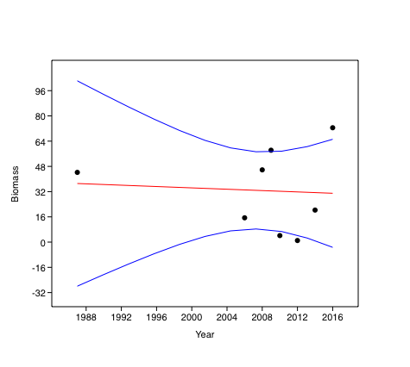
Serranidae - Biomass
1987 | 44.2
2006 | 15.4
2008 | 45.8
2009 | 58.25
2010
2012
2014 | 20.3
2016
 |  |  |  |  |  |  |  | 2015 | 80 | 80
 |  |  |  |  |  |  |  | 2016 | 240.0 | 129.6

Kiunga
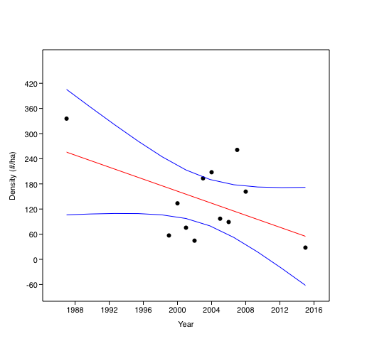
Serranidae - Density
1987 | 335.66666667
1999
2000 | 133.625
2001
2002
2003 | 193.25
2004
2005 | 97
2006 | 89.055555556
2007
2008 | 161.56
2015 | 28
Serranidae | Biomass (kg/ha)
Year | Biomass | Removing points outside CI | Year | Density (#/ha) | Removing points outside CI
1987 | 178.3 | 178.3 | 1987 | 335.66666667 | 335.66666667
1999 | 21.391666667 |  | 1999 | 56.933333333
2000 | 40.93125 | 40.93125 | 2000 | 133.625 | 133.625
2001 | 57.023529412 | 57.023529412 | 2001 | 75.5
2002 | 7.7875 |  | 2002 | 44.5625
2003 | 27.45 | 27.45 | 2003 | 193.25 | 193.25
2004 | 35.15 | 35.15 | 2004 | 207.81818182
2005 | 37.907692308 | 37.907692308 | 2005 | 97 | 97
2006 | 31.883333333 | 31.883333333 | 2006 | 89.055555556 | 89.055555556
2007 | 81.458823529 |  | 2007 | 261.11764706
2008 | 42.932 | 42.932 | 2008 | 161.56 | 161.56
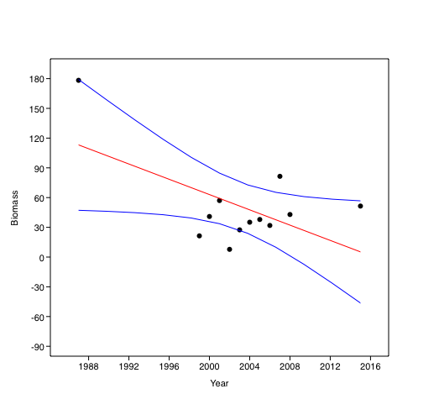
Serranidae - Biomass
1987 | 178.3
1999
2000 | 40.93125
2001 | 57.023529412
2002
2003 | 27.45
2004 | 35.15
2005 | 37.907692308
2006 | 31.883333333
2007
2008 | 42.932
2015 | 51.4466
2015 | 51.4466 | 51.4466 | 2015 | 28.0 | 28.0

 |  |  |  |  |  | Kiunga | 1987 biomass
 |  |  |  |  |  | Lutjanidae

Mayotte - Saziley
 | COMOROS-Mayotte- Saziley
 | Sum of REPLICAT_Abondance | Column Labels
 |  | Douamougno - 3 m |  |  | Douamougno - 3 m Total | Douamougno = 0 m |  |  | Douamougno = 0 m Total | Grand RÃ©cif du Nord Est - 3 m |  |  | Grand RÃ©cif du Nord Est - 3 m Total | Grand RÃ©cif du Nord Est - 6 m | Grand RÃ©cif du Nord Est - 6 m Total | Longoni = 0 m |  |  | Longoni = 0 m Total | Passe Bateaux - 3 m |  |  | Passe Bateaux - 3 m Total | Passe Bateaux - 6 m |  |  | Passe Bateaux - 6 m Total | Passe en S extÃ©rieur - 3 m |  |  | Passe en S extÃ©rieur - 3 m Total | Passe en S extÃ©rieur - 6 m |  |  | Passe en S extÃ©rieur - 6 m Total | Prevoyante - 3 m |  |  | Prevoyante - 3 m Total | Prevoyante = 0 m |  |  | Prevoyante = 0 m Total | Saziley - 3 m |  |  | Saziley - 3 m Total | Saziley = 0 m |  |  | Saziley = 0 m Total | Surprise - 3 m |  |  | Surprise - 3 m Total | Surprise = 0 m |  |  | Surprise = 0 m Total | Tanaraki - 3 m |  |  | Tanaraki - 3 m Total | Tanaraki = 0 m |  |  | Tanaraki = 0 m Total | Mayote
2000 | Family | 1 | 2 | 3 |  | 1 | 2 | 3 |  | 1 | 2 | 3 |  | 1 |  | 1 | 2 | 3 |  | 1 | 2 | 3 |  | 1 | 2 | 3 |  | 1 | 2 | 3 |  | 1 | 2 | 3 |  | 1 | 2 | 3 |  | 1 | 2 | 3 |  | 1 | 2 | 3 |  | 1 | 2 | 3 |  | 1 | 2 | 3 |  | 1 | 2 | 3 |  | 1 | 2 | 3 |  | 1 | 2 | 3
 | Acanthuridae | 75 | 119 | 90 | 3786.6666667 | 117 | 141 | 192 | 6000 | 326 | 291 | 288 | 12066.666667 | 130 | 5200 | 24 | 18 | 22 | 853.33333333 | 102 | 142 | 150 | 5253.3333333 | 154 | 124 | 118 | 5280 | 86 | 61 | 109 | 3413.3333333 | 73 | 79 | 102 | 3386.6666667 | 57 | 52 | 72 | 2413.3333333 | 44 | 47 | 47 | 1840 | 74 | 27 | 30 | 1746.6666667 | 101 | 119 | 98 | 4240 | 78 | 57 | 51 | 2480 | 95 | 91 | 162 | 4640 | 55 | 28 | 36 | 1586.6666667 | 97 | 38 | 54 | 2520 | 4076.19
 | Chaetodontidae | 13 | 44 | 16 | 973.33333333 | 4 | 4 | 3 | 146.66666667 | 7 | 8 | 6 | 280 | 6 | 240 | 4 | 4 | 6 | 186.66666667 | 15 | 9 | 3 | 360 | 15 | 12 | 6 | 440 | 14 | 10 | 12 | 480 | 6 | 13 | 13 | 426.66666667 | 7 | 8 | 8 | 306.66666667 | 16 | 14 | 10 | 533.33333333 | 13 | 18 | 14 | 600 | 7 | 14 | 10 | 413.33333333 | 23 | 17 | 20 | 800 | 4 | 0 | 4 | 106.66666667 | 15 | 8 | 9 | 426.66666667 | 7 | 5 | 4 | 213.33333333 | 422.86
 | Lutjanidae | 1 | 0 | 0 | 13.333333333 | 0 | 0 | 0 | 0 | 2 | 0 | 2 | 53.333333333 | 0 | 0 | 0 | 0 | 0 | 0 | 0 | 0 | 0 | 0 | 3 | 15 | 1 | 253.33333333 | 0 | 1 | 0 | 13.333333333 | 11 | 17 | 31 | 786.66666667 | 1 | 2 | 0 | 40 | 0 | 0 | 0 | 0 | 5 | 2 | 0 | 93.333333333 | 0 | 0 | 2 | 26.666666667 | 0 | 0 | 0 | 0 | 0 | 0 | 0 | 0 | 0 | 4 | 1 | 66.666666667 | 0 | 0 | 0 | 0 | 90.48
 | Scaridae | 0 | 0 | 0 | 0 | 28 | 20 | 40 | 1173.3333333 | 35 | 28 | 25 | 1173.3333333 | 8 | 320 | 10 | 0 | 3 | 173.33333333 | 6 | 13 | 48 | 893.33333333 | 8 | 5 | 4 | 226.66666667 | 12 | 12 | 10 | 453.33333333 | 14 | 15 | 10 | 520 | 19 | 12 | 9 | 533.33333333 | 38 | 30 | 28 | 1280 | 8 | 10 | 10 | 373.33333333 | 18 | 12 | 10 | 533.33333333 | 25 | 30 | 19 | 986.66666667 | 14 | 20 | 18 | 693.33333333 | 8 | 8 | 12 | 373.33333333 | 10 | 30 | 10 | 666.66666667 | 632.38
 | Serranidae | 1 | 1 | 1 | 40 | 1 | 2 | 1 | 53.333333333 | 3 | 6 | 4 | 173.33333333 | 0 | 0 | 0 | 0 | 0 | 0 | 18 | 10 | 14 | 560 | 560 | 757 | 926 | 29906.666667 | 4 | 4 | 3 | 146.66666667 | 11 | 7 | 7 | 333.33333333 | 0 | 1 | 0 | 13.333333333 | 2 | 4 | 4 | 133.33333333 | 1 | 4 | 1 | 80 | 0 | 0 | 1 | 13.333333333 | 6 | 5 | 2 | 173.33333333 | 2 | 1 | 2 | 66.666666667 | 11 | 1 | 11 | 306.66666667 | 0 | 0 | 0 | 0 | 2248.57

 | Sum of REPLICAT_Abondance | Column Labels
 |  | Douamougno - 3 m | Douamougno - 3 m Total | Douamougno = 0 m | Douamougno = 0 m Total | Passe en S extÃ©rieur - 3 m |  |  | Passe en S extÃ©rieur - 3 m Total | Passe en S extÃ©rieur = 0 m |  |  | Passe en S extÃ©rieur = 0 m Total | Prevoyante - 3 m |  |  | Prevoyante - 3 m Total | Prevoyante = 0 m |  | Prevoyante = 0 m Total | Saziley - 3 m |  | Saziley - 3 m Total | Saziley = 0 m |  | Saziley = 0 m Total | Surprise - 3 m |  |  | Surprise - 3 m Total | Surprise = 0 m | Surprise = 0 m Total
2001 | Row Labels | 1 |  | 1 |  | 1 | 2 | 3 |  | 1 | 2 | 3 |  | 1 | 2 | 3 |  | 1 | 2 |  | 1 | 2 |  | 1 | 2 |  | 1 | 2 | 3 |  | 1
 | Acanthuridae | 108 | 4320 | 212 | 8480 | 64 | 79 | 86 | 3053.3333333 | 73 | 46 | 41 | 2133.3333333 | 49 | 65 | 57 | 2280 | 82 | 41 | 2460 | 70 | 58 | 2560 | 97 | 96 | 3860 | 41 | 55 | 41 | 1826.6666667 | 66 | 2640
 | Chaetodontidae | 16 | 640 | 10 | 400 | 10 | 8 | 7 | 333.33333333 | 19 | 15 | 19 | 706.66666667 | 14 | 14 | 15 | 573.33333333 | 15 | 16 | 620 | 22 | 26 | 960 | 9 | 18 | 540 | 12 | 10 | 13 | 466.66666667 | 6 | 240
 | Lutjanidae | 0 | 0 | 0 | 0 | 4 | 2 | 2 | 106.66666667 | 1 | 0 | 2 | 40 | 0 | 1 | 0 | 13.333333333 | 0 | 0 | 0 | 3 | 7 | 200 | 0 | 0 | 0 | 1 | 1 | 0 | 26.666666667 | 0 | 0
 | Scaridae | 10 | 400 | 44 | 1760 | 20 | 24 | 32 | 1013.3333333 | 23 | 25 | 18 | 880 | 35 | 34 | 17 | 1146.6666667 | 22 | 22 | 880 | 21 | 13 | 680 | 39 | 49 | 1760 | 41 | 20 | 32 | 1240 | 40 | 1600
 | Serranidae | 1 | 40 | 2 | 80 | 13 | 55 | 156 | 2986.6666667 | 42 | 95 | 40 | 2360 | 0 | 1 | 1 | 26.666666667 | 2 | 3 | 100 | 6 | 23 | 580 | 0 | 3 | 60 | 4 | 2 | 3 | 120 | 2 | 80

2005 | Sum of REPLICAT_Abondance | Column Labels
 |  | Passe en S extÃ©rieur - 3 m | Passe en S extÃ©rieur - 3 m Total | Passe en S extÃ©rieur - 6 m |  | Passe en S extÃ©rieur - 6 m Total | Prevoyante - 3 m | Prevoyante - 3 m Total | Prevoyante - 6 m | Prevoyante - 6 m Total | Saziley - 3 m |  | Saziley - 3 m Total | Surprise - 3 m | Surprise - 3 m Total | Surprise - 6 m | Surprise - 6 m Total
 | Row Labels | 1 |  | 1 | 2 |  | 1 |  | 1 |  | 1 | 2 |  | 1 |  | 1
 | Acanthuridae | 67 | 2680 | 83 | 56 | 2780 | 109 | 4360 | 100 | 4000 | 73 | 51 | 2480 | 82 | 3280 | 110 | 4400
 | Chaetodontidae | 20 | 800 | 29 | 10 | 780 | 4 | 160 | 10 | 400 | 21 | 18 | 780 | 40 | 1600 | 20 | 800
 | Lutjanidae | 5 | 200 | 15 | 1 | 320 | 1 | 40 | 1 | 40 | 2 | 4 | 120 | 2 | 80 | 1 | 40
 | Scaridae | 4 | 160 | 19 | 20 | 780 | 19 | 760 | 6 | 240 | 5 | 13 | 360 | 7 | 280 | 37 | 1480
 | Serranidae | 8 | 320 | 12 | 4 | 320 | 4 | 160 | 2 | 80 | 4 | 6 | 200 | 6 | 240 | 3 | 120

 | Sum of REPLICAT_Abondance | Column Labels
 |  | Double BarriÃ¨re - 3 m |  | Double BarriÃ¨re - 3 m Total | Double BarriÃ¨re = 0 m |  | Double BarriÃ¨re = 0 m Total | Koungou = 0 m |  | Koungou = 0 m Total | Passe Bateaux - 3 m |  | Passe Bateaux - 3 m Total | Passe Bateaux - 6 m |  | Passe Bateaux - 6 m Total | Passe en S extÃ©rieur - 3 m |  |  | Passe en S extÃ©rieur - 3 m Total | Passe en S extÃ©rieur - 6 m |  |  | Passe en S extÃ©rieur - 6 m Total | Saziley - 3 m |  |  | Saziley - 3 m Total | Saziley = 0 m |  |  | Saziley = 0 m Total | Surprise - 3 m |  |  | Surprise - 3 m Total | Surprise - 6 m |  |  | Surprise - 6 m Total | Tanaraki - 3 m |  | Tanaraki - 3 m Total | Tanaraki = 0 m |  | Tanaraki = 0 m Total
2008 | Row Labels | 1 | 2 |  | 1 | 2 |  | 1 | 2 |  | 1 | 2 |  | 1 | 2 |  | 1 | 2 | 3 |  | 1 | 2 | 3 |  | 1 | 2 | 3 |  | 1 | 2 | 3 |  | 1 | 2 | 3 |  | 1 | 2 | 3 |  | 1 | 2 |  | 1 | 2
 | Acanthuridae | 101 | 160 | 5220 | 17 | 9 | 520 | 79 | 97 | 3520 | 123 | 111 | 4680 | 83 | 91 | 3480 | 102 | 92 | 87 | 3746.6666667 | 182 | 105 | 68 | 4733.3333333 | 25 | 28 | 14 | 893.33333333 | 96 | 133 | 91 | 4266.6666667 | 77 | 106 | 73 | 3413.3333333 | 62 | 66 | 40 | 2240 | 39 | 42 | 1620 | 46 | 28 | 1480
 | Chaetodontidae | 10 | 20 | 600 | 6 | 11 | 340 | 21 | 15 | 720 | 20 | 26 | 920 | 23 | 14 | 740 | 32 | 10 | 44 | 1146.6666667 | 23 | 22 | 39 | 1120 | 18 | 21 | 14 | 706.66666667 | 32 | 29 | 14 | 1000 | 29 | 26 | 19 | 986.66666667 | 22 | 26 | 15 | 840 | 14 | 20 | 680 | 8 | 5 | 260
 | Lutjanidae | 1 | 1 | 40 | 1 | 0 | 20 | 0 | 1 | 20 | 1 | 1 | 40 | 2 | 0 | 40 | 1 | 1 | 0 | 26.666666667 | 2 | 2 | 1 | 66.666666667 | 2 | 4 | 2 | 106.66666667 | 0 | 0 | 0 | 0 | 1 | 4 | 1 | 80 | 2 | 2 | 1 | 66.666666667 | 3 | 3 | 120 | 1 | 0 | 20
 | Scaridae | 10 | 29 | 780 | 7 | 14 | 420 | 24 | 7 | 620 | 46 | 31 | 1540 | 0 | 5 | 100 | 42 | 16 | 47 | 1400 | 50 | 24 | 51 | 1666.6666667 | 5 | 4 | 12 | 280 | 16 | 16 | 22 | 720 | 35 | 41 | 22 | 1306.6666667 | 20 | 28 | 19 | 893.33333333 | 3 | 6 | 180 | 5 | 5 | 200
 | Serranidae | 4 | 3 | 140 | 1 | 1 | 40 | 7 | 3 | 200 | 98 | 36 | 2680 | 209 | 256 | 9300 | 1 | 6 | 4 | 146.66666667 | 5 | 67 | 12 | 1120 | 318 | 340 | 4 | 8826.6666667 | 1 | 8 | 1 | 133.33333333 | 5 | 6 | 8 | 253.33333333 | 23 | 5 | 13 | 546.66666667 | 2 | 5 | 140 | 2 | 1 | 60

 |  | Douamougno - 3 m |  |  | Douamougno - 3 m Total | Douamougno = 0 m |  |  | Douamougno = 0 m Total | Double BarriÃ¨re - 3 m |  | Double BarriÃ¨re - 3 m Total | Double BarriÃ¨re = 0 m |  |  | Double BarriÃ¨re = 0 m Total | Grand RÃ©cif du Nord Est - 3 m |  |  | Grand RÃ©cif du Nord Est - 3 m Total | Grand RÃ©cif du Nord Est - 6 m |  |  | Grand RÃ©cif du Nord Est - 6 m Total | Koungou = 0 m |  |  | Koungou = 0 m Total | Longoni - 3 m |  | Longoni - 3 m Total | Passe Bateaux - 6 m |  | Passe Bateaux - 6 m Total | Passe en S extÃ©rieur - 3 m |  |  | Passe en S extÃ©rieur - 3 m Total | Passe en S extÃ©rieur - 6 m |  |  | Passe en S extÃ©rieur - 6 m Total | Passe en S intÃ©rieur - 6 m |  |  | Passe en S intÃ©rieur - 6 m Total | Prevoyante - 3 m |  |  | Prevoyante - 3 m Total | Prevoyante = 0 m |  | Prevoyante = 0 m Total | Saziley - 3 m |  |  | Saziley - 3 m Total | Saziley = 0 m |  |  | Saziley = 0 m Total | Surprise - 3 m |  |  | Surprise - 3 m Total | Surprise = 0 m |  |  | Surprise = 0 m Total | Tanaraki - 3 m |  |  | Tanaraki - 3 m Total | Tanaraki = 0 m |  |  | Tanaraki = 0 m Total
 | Row Labels | 1 | 2 | 3 |  | 1 | 2 | 3 |  | 1 | 2 |  | 1 | 2 | 3 |  | 1 | 2 | 3 |  | 1 | 2 | 3 |  | 1 | 2 | 3 |  | 1 | 2 |  | 1 | 2 |  | 1 | 2 | 3 |  | 1 | 2 | 3 |  | 1 | 2 | 3 |  | 1 | 2 | 3 |  | 1 | 2 |  | 1 | 2 | 3 |  | 1 | 2 | 3 |  | 1 | 2 | 3 |  | 1 | 2 | 3 |  | 1 | 2 | 3 |  | 1 | 2 | 3
2011 | Acanthuridae | 77 | 70 | 69 | 2880 | 158 | 123 | 166 | 5960 | 28 | 28 | 1120 | 35 | 85 | 0 | 1600 | 97 | 134 | 134 | 4866.6666667 | 122 | 108 | 143 | 4973.3333333 | 11 | 17 | 22 | 666.66666667 | 19 | 23 | 840 | 297 | 141 | 8760 | 101 | 101 | 103 | 4066.6666667 | 109 | 120 | 244 | 6306.6666667 | 36 | 59 | 99 | 2586.6666667 | 60 | 27 | 43 | 1733.3333333 | 199 | 61 | 5200 | 28 | 38 | 22 | 1173.3333333 | 131 | 71 | 127 | 4386.6666667 | 76 | 44 | 66 | 2480 | 89 | 49 | 131 | 1173.333333 | 61 | 34 | 57 | 1173.333333 | 97 | 53 | 166 | 1173.333333
 | Chaetodontidae | 23 | 20 | 35 | 1040 | 27 | 18 | 14 | 786.66666667 | 7 | 4 | 220 | 17 | 7 | 11 | 466.66666667 | 8 | 12 | 10 | 400 | 15 | 16 | 17 | 640 | 15 | 9 | 17 | 546.66666667 | 9 | 12 | 420 | 32 | 2 | 680 | 10 | 9 | 12 | 413.33333333 | 15 | 3 | 18 | 480 | 42 | 27 | 32 | 1346.6666667 | 19 | 12 | 14 | 600 | 19 | 9 | 560 | 20 | 9 | 19 | 640 | 19 | 26 | 38 | 1106.6666667 | 14 | 16 | 11 | 546.66666667 | 8 | 8 | 11 | 640 | 22 | 14 | 29 | 640 | 17 | 12 | 7 | 640
 | Lutjanidae | 5 | 33 | 0 | 506.66666667 | 3 | 1 | 4 | 106.66666667 | 0 | 0 | 0 | 4 | 2 | 0 | 80 | 5 | 6 | 1 | 160 | 0 | 0 | 0 | 0 | 0 | 0 | 2 | 26.666666667 | 6 | 18 | 480 | 0 | 0 | 0 | 0 | 0 | 1 | 13.333333333 | 4 | 2 | 5 | 146.66666667 | 0 | 1 | 0 | 13.333333333 | 1 | 1 | 0 | 26.666666667 | 0 | 0 | 0 | 2 | 3 | 2 | 93.333333333 | 2 | 0 | 2 | 53.333333333 | 2 | 2 | 2 | 80 | 1 | 0 | 0 | 93.33333333 | 3 | 1 | 0 | 93.33333333 | 1 | 1 | 1 | 93.33333333
 | Scaridae | 17 | 33 | 6 | 746.66666667 | 31 | 3 | 31 | 866.66666667 | 19 | 16 | 700 | 24 | 30 | 6 | 800 | 18 | 35 | 32 | 1133.3333333 | 22 | 10 | 5 | 493.33333333 | 23 | 19 | 52 | 1253.3333333 | 3 | 7 | 200 | 19 | 6 | 500 | 12 | 15 | 4 | 413.33333333 | 12 | 16 | 14 | 560 | 18 | 4 | 20 | 560 | 13 | 17 | 9 | 520 | 24 | 28 | 1040 | 8 | 5 | 0 | 173.33333333 | 23 | 22 | 8 | 706.66666667 | 13 | 18 | 18 | 653.33333333 | 11 | 2 | 12 | 173.3333333 | 3 | 3 | 0 | 173.3333333 | 9 | 4 | 1 | 173.3333333
 | Serranidae | 7 | 7 | 1 | 200 | 10 | 7 | 8 | 333.33333333 | 1 | 4 | 100 | 1 | 1 | 0 | 26.666666667 | 8 | 17 | 6 | 413.33333333 | 9 | 6 | 9 | 320 | 1 | 1 | 0 | 26.666666667 | 0 | 5 | 100 | 92 | 105 | 3940 | 37 | 7 | 8 | 693.33333333 | 7 | 73 | 112 | 2560 | 8 | 4 | 79 | 1213.3333333 | 5 | 2 | 8 | 200 | 3 | 4 | 140 | 28 | 5 | 43 | 1013.3333333 | 2 | 2 | 1 | 66.666666667 | 6 | 6 | 5 | 226.66666667 | 1 | 3 | 5 | 1013.333333 | 33 | 0 | 0 | 1013.333333 | 11 | 6 | 10 | 1013.333333

 | Sum of REPLICAT_Abondance | Column Labels
 |  | Passe en S extÃ©rieur - 3 m |  | Passe en S extÃ©rieur - 3 m Total | Passe en S extÃ©rieur - 6 m |  | Passe en S extÃ©rieur - 6 m Total | Saziley - 3 m |  | Saziley - 3 m Total | Saziley = 0 m |  | Saziley = 0 m Total | Surprise - 3 m |  | Surprise - 3 m Total | Surprise = 0 m |  | Surprise = 0 m Total
2013 | Row Labels | 1 | 2 |  | 1 | 2 |  | 1 | 2 |  | 1 | 2 |  | 1 | 2 |  | 1 | 2
 | Acanthuridae | 55 | 63 | 2360 | 151 | 64 | 4300 | 17 | 30 | 940 | 87 | 70 | 3140 | 85 | 57 | 2840 | 52 | 64 | 2320
 | Chaetodontidae | 11 | 5 | 320 | 12 | 6 | 360 | 11 | 7 | 360 | 19 | 13 | 640 | 27 | 10 | 740 | 18 | 9 | 540
 | Lutjanidae | 0 | 3 | 60 | 6 | 1 | 140 | 0 | 1 | 20 | 3 | 0 | 60 | 4 | 6 | 200 | 3 | 2 | 100
 | Scaridae | 11 | 14 | 500 | 27 | 3 | 600 | 1 | 3 | 80 | 10 | 11 | 420 | 6 | 6 | 240 | 25 | 15 | 800
 | Serranidae | 7 | 37 | 880 | 9 | 70 | 1580 | 20 | 20 | 800 | 2 | 1 | 60 | 5 | 6 | 220 | 5 | 4 | 180

 |  | Douamougno - 3 m |  | Douamougno - 3 m Total | Douamougno = 0 m |  | Douamougno = 0 m Total | Double BarriÃ¨re - 3 m |  | Double BarriÃ¨re - 3 m Total | Double BarriÃ¨re = 0 m |  | Double BarriÃ¨re = 0 m Total | Grand RÃ©cif du Nord Est - 6 m |  | Grand RÃ©cif du Nord Est - 6 m Total | Longoni - 3 m |  | Longoni - 3 m Total | Longoni = 0 m |  | Longoni = 0 m Total | Passe Bateaux - 6 m |  | Passe Bateaux - 6 m Total | Passe en S extÃ©rieur - 6 m |  | Passe en S extÃ©rieur - 6 m Total | Prevoyante - 6 m |  | Prevoyante - 6 m Total | Prevoyante = 0 m |  | Prevoyante = 0 m Total | Saziley - 3 m |  | Saziley - 3 m Total | Saziley = 0 m |  | Saziley = 0 m Total | Surprise - 6 m |  | Surprise - 6 m Total | Surprise = 0 m |  | Surprise = 0 m Total | Tanaraki - 3 m |  | Tanaraki - 3 m Total | Tanaraki = 0 m |  | Tanaraki = 0 m Total
 | Row Labels | 1 | 2 |  | 1 | 2 |  | 1 | 2 |  | 1 | 2 |  | 1 | 2 |  | 1 | 2 |  | 1 | 2 |  | 1 | 2 |  | 1 | 2 |  | 1 | 2 |  | 1 | 2 |  | 1 | 2 |  | 1 | 2 |  | 1 | 2 |  | 1 | 2 |  | 1 | 2 |  | 1 | 2
 | Acanthuridae | 91 | 79 | 3400 | 155 | 124 | 5580 | 33 | 8 | 820 | 106 | 127 | 4660 | 186 | 136 | 6440 | 20 | 24 | 880 | 90 | 86 | 3520 | 185 | 150 | 6700 | 78 | 116 | 3880 | 22 | 36 | 1160 | 10 | 9 | 380 | 40 | 32 | 1440 | 47 | 70 | 2340 | 14 | 18 | 640 | 84 | 247 | 6620 | 31 | 33 | 1280 | 107 | 111 | 4360
 | Chaetodontidae | 16 | 21 | 740 | 5 | 7 | 240 | 1 | 4 | 100 | 7 | 7 | 280 | 11 | 9 | 400 | 1 | 5 | 120 | 5 | 4 | 180 | 4 | 11 | 300 | 8 | 11 | 380 | 2 | 5 | 140 | 2 | 3 | 100 | 7 | 9 | 320 | 3 | 7 | 200 | 14 | 4 | 360 | 10 | 9 | 380 | 5 | 4 | 180 | 4 | 6 | 200
 | Lutjanidae | 32 | 44 | 1520 | 0 | 0 | 0 | 1 | 1 | 40 | 0 | 1 | 20 | 0 | 0 | 0 | 0 | 1 | 20 | 0 | 0 | 0 | 0 | 1 | 20 | 2 | 1 | 60 | 1 | 2 | 60 | 0 | 0 | 0 | 16 | 6 | 440 | 0 | 0 | 0 | 1 | 1 | 40 | 1 | 1 | 40 | 0 | 8 | 160 | 0 | 0 | 0
 | Scaridae | 12 | 24 | 720 | 5 | 7 | 240 | 7 | 12 | 380 | 14 | 1 | 300 | 35 | 25 | 1200 | 0 | 10 | 200 | 0 | 5 | 100 | 17 | 23 | 800 | 2 | 24 | 520 | 0 | 0 | 0 | 27 | 23 | 1000 | 0 | 10 | 200 | 0 | 0 | 0 | 26 | 3 | 580 | 17 | 19 | 720 | 0 | 0 | 0 | 0 | 0 | 0
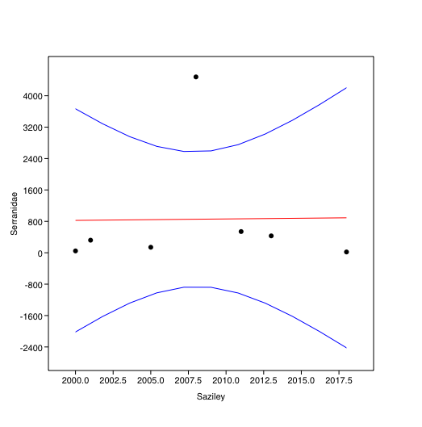
 | Serranidae | 3 | 7 | 200 | 6 | 4 | 200 | 2 | 1 | 60 | 1 | 1 | 40 | 5 | 1 | 120 | 1 | 0 | 20 | 0 | 0 | 0 | 60 | 82 | 2840 | 420 | 50 | 9400 | 2 | 5 | 140 | 1 | 0 | 20 | 1 | 1 | 40 | 0 | 0 | 0 | 5 | 2 | 140 | 1 | 2 | 60 | 2 | 2 | 80 | 20 | 24 | 880

 |  |  | Acanthuridae | Chaetodontidae | Lutjanidae | Scaridae | Serranidae |  |  |  | Saziley | Acanthuridae | Chaetodontidae | Lutjanidae | Scaridae | Serranidae
 | Saziley - 3 m | 3 | 585 | 251 | 39 | 118 | 823 |  |  |  | Year
 | 2000-11-13 | 3 | 131 | 45 | 7 | 28 | 6 |  |  | 6 | 2000.00 | 449 | 76 | 9 | 68 | 7
 | 2001-11-02 | 2 | 128 | 48 | 10 | 34 | 29 |  |  | 4 | 2001.00 | 321 | 75 | 10 | 122 | 32
 | 2005-02-21 | 2 | 124 | 39 | 6 | 18 | 10 |  |  | 2 | 2005.00 | 3 | 4 | 5 | 6 | 7
 | 2008-02-15 | 3 | 67 | 53 | 8 | 21 | 662 |  |  | 6 | 2008.00 | 387 | 128 | 8 | 75 | 672
 | 2011-06-27 | 3 | 88 | 48 | 7 | 13 | 76 |  |  | 6 | 2011.00 | 417 | 131 | 11 | 66 | 81
 | 2013-02-02 | 2 | 47 | 18 | 1 | 4 | 40 |  |  | 4 | 2013.00 | 204 | 50 | 4 | 25 | 43
 | 2018-05-03 | 2 | 72 | 16 | 22 | 10 | 2 |  |  | 4 | 2018.00 | 189 | 26 | 22 | 10 | 2
 | Saziley = 0 m | 3 | 1317 | 248 | 9 | 256 | 22
 | 2000-11-13 | 3 | 318 | 31 | 2 | 40 | 1 |  |  |  | Saziley | Acanthuridae | Chaetodontidae | Lutjanidae | Scaridae | Serranidae
 | 2001-11-02 | 2 | 193 | 27 | 0 | 88 | 3 |  |  |  | 2000 | 2993.3 | 506.7 | 60.0 | 453.3 | 46.7 | low level
 | 2008-02-15 | 3 | 320 | 75 | 0 | 54 | 10 |  |  |  | 2001 | 3210.0 | 750.0 | 100.0 | 1220.0 | 320.0 | recovery
 | 2011-06-26 | 3 | 329 | 83 | 4 | 53 | 5 |  |  |  | 2005 | 60.0 | 80.0 | 100.0 | 120.0 | 140.0
 | 2013-02-02 | 2 | 157 | 32 | 3 | 21 | 3 |  |  |  | 2008 | 2580.0 | 853.3 | 53.3 | 500.0 | 4480.0
 | 2018-05-03 | 2 | 117 | 10 | 0 | 0 | 0 |  |  |  | 2011 | 2780.0 | 873.3 | 73.3 | 440.0 | 540.0 | maximum
 |  |  |  |  |  |  |  |  |  |  | 2013 | 2040.0 | 500.0 | 40.0 | 250.0 | 430.0
 |  |  |  |  |  |  |  |  |  |  | 2018 | 1890.0 | 260.0 | 220.0 | 100.0 | 20.0 | very low level

 |  |  |  |  |  |  |  |  |  |  | Saziley | Acanthuridae | Chaetodontidae | Lutjanidae | Scaridae | Serranidae
 |  |  |  |  |  |  |  |  |  |  | 2000 | 2993.3333333 | 506.66666667 | 60 | 453.33333333 | 46.666666667
 |  |  |  |  |  |  |  |  |  |  | 2001 | 3210 | 750 | 100 |  | 320
 |  |  |  |  |  |  |  |  |  |  | 2005 |  | 80 | 100 |  | 140
 |  |  |  |  |  |  |  |  |  |  | 2008 | 2580 | 853.33333333 | 53.333333333 | 500 | 4480
 |  |  |  |  |  |  |  |  |  |  | 2011 | 2780 | 873.33333333 | 73.333333333 | 440 | 540
 |  |  |  |  |  |  |  |  |  |  | 2013 | 2040 | 500 | 40 | 250 | 430
 |  |  |  |  |  |  |  |  |  |  | 2018 | 1890 | 260 | 220 | 100 | 20

Reunion- Planch'_Alizes
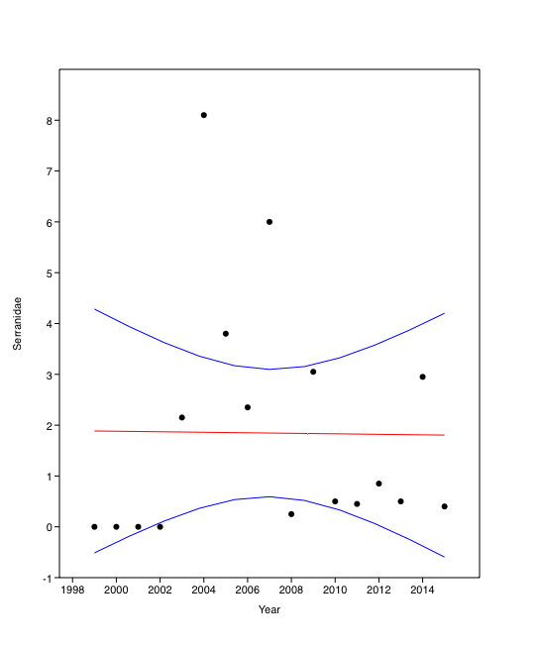
Serranidae
1999 | 0
2000 | 0
2001 | 0
2002
2003 | 2.15
2004
2005
2006 | 2.35
2007
2008
2009 | 3.05
2010 | 0.5
2011 | 0.45
2012 | 0.85
2013 | 0.5
2014 | 2.95
2015 | 0.4
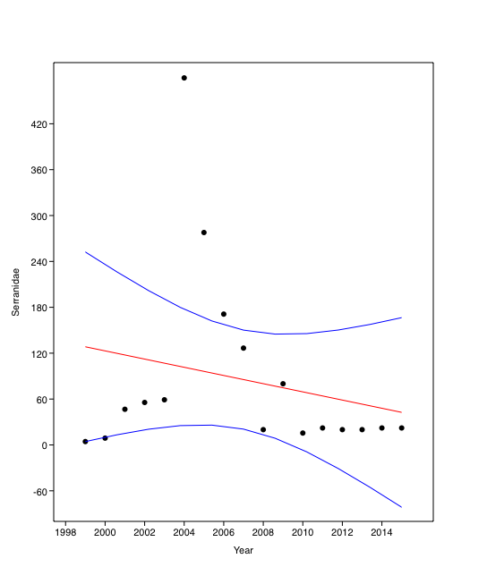
Serranidae
1999 | 4.4
2000 | 8.9
2001 | 46.65
2002 | 55.55
2003 | 59.05
2004
2005
2006
2007 | 126.65
2008 | 20
2009 | 80
2010 | 15.55
2011 | 22.2
2012 | 20
2013 | 20
2014 | 22.2
2015 | 22.2
 | Year | Serranidae | Serranidae | Year | Serranidae | Serranidae
 | 1999 | 0 | 0 | 1999 | 4.4 | 4.4 | 4.4
 | 2000 | 0 | 0 | 2000 | 8.9 | 8.9 | 17.8
 | 2001 | 0 | 0 | 2001 | 46.65 | 46.65 | 46.65
 | 2002 | 0 |  | 2002 | 55.55 | 55.55 | 55.55
 | 2003 | 2.15 | 2.15 | 2003 | 59.05 | 59.05 | 118.1
 | 2004 | 8.1 |  | 2004 | 480 |  | 480
 | 2005 | 3.8 |  | 2005 | 277.8 |  | 555.6
 | 2006 | 2.35 | 2.35 | 2006 | 171.1 |  | 171.1
 | 2007 | 6 |  | 2007 | 126.65 | 126.65 | 126.65
 | 2008 | 0.25 |  | 2008 | 20 | 20 | 40
 | 2009 | 3.05 | 3.05 | 2009 | 80 | 80 | 160
 | 2010 | 0.5 | 0.5 | 2010 | 15.55 | 15.55 | 31.1
 | 2011 | 0.45 | 0.45 | 2011 | 22.2 | 22.2 | 44.4
 | 2012 | 0.85 | 0.85 | 2012 | 20 | 20 | 20
 | 2013 | 0.5 | 0.5 | 2013 | 20 | 20 | 40
 | 2014 | 2.95 | 2.95 | 2014 | 22.2 | 22.2 | 22.2
 | 2015 | 0.4 | 0.4 | 2015 | 22.2 | 22.2 | 44.4

REVISED | Year | Serranidae | Serranidae
 | 2003 | 2.15 | 2.15
 | 2004 | 8.1
 | 2005 | 3.8 | 3.8
 | 2006 | 2.35 | 2.35
 | 2007 | 6
 | 2008 | 0.25
 | 2009 | 3.05 | 3.05
Serranidae-rev
Serranidae-rev2
2003 | 2.15
2004
2005 | 3.8
2006 | 2.35
2007
2008
2009 | 3.05
2010
2011 | 0.45
2012 | 0.85
2013 | 0.5
2014
2015 | 0.4
 | 2010 | 0.5
 | 2011 | 0.45 | 0.45
 | 2012 | 0.85 | 0.85
 | 2013 | 0.5 | 0.5
 | 2014 | 2.95
 | 2015 | 0.4 | 0.4

Bai Ternay -Seychelles
Row Labels | Average of Serranidae | Year | Mean | Stdev | Serranidae
2005 | 1.33 | 2005 | 86.04 | 32.41 | 86.038961039
Bay Ternay Centre | 1.70 | 2006 | 123.38 | 32.95 | 123.37662338
Bay Ternay Lighthouse | 0.80 | 2007 | 110.93 | 55.25 | 110.93073593 | 64.935064935
Bay Ternay North East | 1.80 | 2008 | 141.37 | 75.38 | 141.36904762
Bay Ternay North West | 1.00 | 2009 | 149.97 | 71.90 | 149.96907854
2006 | 1.90 | 2010 | 168.17 | 101.76 | 168.16516817
Bay Ternay Centre | 1.80 | 2011 | 145.43 | 95.57 | 145.42748918
Bay Ternay North East | 2.45 | 2012 | 110.25 | 74.04
Bay Ternay North West | 1.45 | 2013 | 174.51 | 41.30 | 174.51298701
2007 | 1.71 | 2014 | 172.48 | 64.46
Bay Ternay Centre | 2.67 | 2015 | 198.86 | 55.82 | 198.86363636
Bay Ternay North East | 1.42 | 2016 | 292.88 | 91.15
Bay Ternay North West | 1.04 | 2017 | 260.48 | 69.23 | 260.47815821
2008 | 2.18 | 2018 | 231.33 | 126.53 | 231.33116883
Groupers
 | Serranidae
2005 | 86.038961039
2006 | 123.37662338
2007 | 110.93073593
2008 | 141.36904762
2009 | 149.96907854
2010 | 168.16516817
2011 | 145.42748918
2012
2013 | 174.51298701
2014
2015 | 198.86363636
2016
2017 | 260.47815821
2018 | 231.33116883
Bay Ternay Centre | 3.75
2nd order polynomial
Bay Ternay Lighthouse | 1.00
Bay Ternay North East | 1.75
Bay Ternay North West | 2.21
2009 | 2.31
Bay Ternay Centre | 1.86
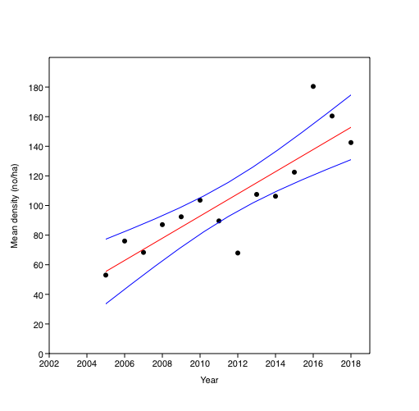
Bay Ternay North East | 1.50 |  |  |  |  |  | -430554.8652
Bay Ternay North West | 3.57
2010 | 2.81
Bay Ternay Centre | 4.73
Bay Ternay Lighthouse | 1.17
Bay Ternay North East | 2.73
Bay Ternay North West | 1.73
2011 | 2.24
Bay Ternay Centre | 4.29
Bay Ternay Lighthouse | 1.00
Bay Ternay North East | 2.29
Bay Ternay North West | 1.38
2012 | 1.70
Bay Ternay Centre | 3.29
Bay Ternay Lighthouse | 0.83
Bay Ternay North East | 1.75
Bay Ternay North West | 0.92
2013 | 2.69
Bay Ternay Centre | 3.58
Bay Ternay Lighthouse | 2.08
Bay Ternay North East | 2.50
Bay Ternay North West | 2.58
2014 | 2.66
Bay Ternay Centre | 4.04
Bay Ternay Lighthouse | 1.71
Bay Ternay North East | 2.29
Bay Ternay North West | 2.58
2015 | 3.06
Bay Ternay Centre | 4.21
Bay Ternay Lighthouse | 2.13
Bay Ternay North East | 3.00
Bay Ternay North West | 2.92
2016 | 4.51
Bay Ternay Centre | 6.33
Bay Ternay Lighthouse | 4.50
Bay Ternay North East | 4.29
Bay Ternay North West | 2.92
2017 | 4.24
Bay Ternay Centre | 5.00
Bay Ternay Lighthouse | 2.55
Bay Ternay North East | 4.54
Bay Ternay North West | 3.96
2018 | 3.83
Bay Ternay Centre | 6.29
Bay Ternay Lighthouse | 1.67
Bay Ternay North East | 3.17
Bay Ternay North West | 3.13

